Data Detectives
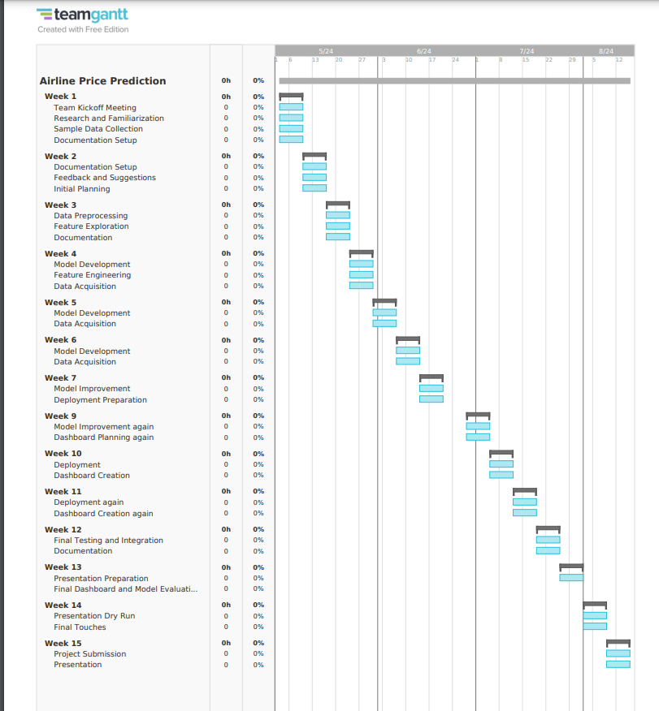
Course | Step Presentation 2
Course Code | AISC2006
Group | Data Detectives
Title | Machine Learning-Based Airline Price Prediction
GitHub link | https://github.com/Data-Detectives-Loyalist/Airline-Price-Prediction
Team Members | Email | % complete | Assigned Task(s) (use multiple lines as needed, grouped by student) | Notes: (be detailed)
Swetha Tanikonda | swethatanikonda@loyalistcollege.com | 100 | Project life cycle | I have assigned the tasks for everyone, managed the group and made an overview for the project. And also I have created a project life cycle/flowchart by using Microsoft Visio
 |  |  | Project ideas given | I gave 2 ideas for the group project that are Smart Waste Sorting and Recycling and Water Quality Monitoring in Aquaculture
Mohamed Maaz Rehan | mohamedmaazrehan@loyalistcollege.com | 100 | Project Ideas | I researched project ideas and proposed two ideas. Firstly, scrapping data from the Skyscanner website for predicting Airline prices. and secondly, extracting data from the Indeed website for predicting salaries based on job roles.
 |  |  | Understanding Data | I explored Skyscanner website to understand what data needs to be pulled from the website for price prediction and which Python libraries are used to scrape the data from the website.
Devendra Singh Shekhawat | devendrasinghshek@loyalistcollege.com | 100 (all three tasks) | Project Ideas, Group Name and Shared a dummy data. | i gave two unique ideas, namely the delay in flights due to weather conditions and the music genre prediction. Secondly i gave a unique group name to us "Data Detectives" and at last i shared a dummy data of a airline data so that everyone can start beginning before we scrap out the real data from skyscanner.
Fatemi Sadikbhai Lokhandwala | fatemisadikbhailo@loyalistcollege.com | 100 | Project Ideas, Project Timeline | Suggested project ideas, searched live data for the project, and explored different tools to create a Gantt chart for the Airline price prediction. Facing issue with the free account of Clickup tool so working on the alternative tools which are free for more than 30 days to create a project timeline(gantt chart), which is team gantt
Gaurav Singh Rawat | gauravsinghrawat@loyalistcollege.com |  | Cloud server explorationand creation | I suggested a idea of "Movie Sucess Prediction" this project was to develop a predictive model that could forecast the financial and critical success of movies before their release. But there were some challenges like data collection and model creation. I have explored various cloud servers and selected GCP(Google Cloud Platform) for our project, created an account and added all the members of the project. I will also work with API's and Vertex AI later in the project. Taking help from youtube videos and other etrnal sources to learn more about GCP.
Gaurav Singh | gauravsingh3@loyalistcollege.com | 100 | pitched ideas for gruop project | I gave 2 ideas for the group project that are bungie playerbase prediction and getting data from api charlemagne and twitch recommender and analyzer and data can be acquire by twitch tracker and twitch developer api
 |  |  | made the github reposaitory and started review for pr | I made the github organisation and in that made the repository, initialized it with basic folders and did review for pr's
Jankiba Viralsinh Zala | jankibaviralsinhz@loyalistcollege.com | 100% | Project idea and create report of week 1 | I made project report with all the work we did in this week with detailing. And also added the ideas which is given by our group members. Moreover, I suggested the project idea, 'Air quality prediction' but in that we need accurate live data so it's difficult to get and also they are in various format so to retrieval and processing we require technical expertise.
Comfort Iroha Onuoha | comfortirohaonuoh@loyalistcollege.com |  | Tool Exploration for Power BI | I suggested a project idea, a book recommendation system. I also worked on exploring the Power BI tool for data visualization. The project idea would have entailed working on a personalized book recommendation system to enhance user engagement and satisfaction. The project would have required gathering book data from various sources and cleaning it for analysis. Then extract relevant features like genre, author, and summary sentiment. Collect user data to personalize recommendation. Deploy the system and collect user feedback for continuous improvement. The project will enhance user experience by offering personalized book recommendations. Increase user engagement and retention on our platform and provide valuable insights into user preferences and behavior.
Isha Savaliya | ishasavaliya@loyalistcollege.com | 100(all my tasks) | reserch about clickup and microsoft p | I explored AWS and searching about how it works. Reviwed this project and thought about what we can do or not. I have explored microsoft planner and clickup how it works and what the benefits. and making clickup group and assign all member.Give a one idea like coupon purchase prediction.
Tirth Patel | tirthpatel@loyalistcollege.com | 100% | Pitched 2 project ideas, also suggested group name | I Suggested Ideas for the project *Natural Disaster Prediction and Response*, *Predictive Maintenance for Industrial Equipment* where I find the data source from NOAA and Open Weather Map where this sites provides live data and data of past 40 years for Natural disaster prediction and response. I Couldn’t find the data for maintenance for Industrial Equipment because in this case we have to had target variable ,data and knowledge about Industrial Equipment. Group name idea i found were AeroAnalytics, AirfareAces and PriceWings.
 |  |  | Tool Exploration of Tableau | I did Research on Tableau tools to understand how it can help us visualize data effectively, laying the groundwork for future project analysis and decision-making and creating the dashboard to visually represent our data.
Urjeet Parmar | urjeetparmar@loyalistcollege.com | 100% | Explored project ideas and pitched some | I have brainstromed new topics for the project and suggested for the project Traffic Flow Prediction. But was not able to find a reliable data source because traffic data is very complicated as it includes data from various car sensors and data collected from various signals and traffic patterns may change due to accidents,constructions to implementing this changes in real-time can be challenging and overall it seemed me as a Computer Vision problem.
 |  |  | AWS Tools and Services Exploration. | I explored the tools and services provided by AWS(Amazon Web Services) and found some tools that can be used to deploy ML and DL models on AWS Cloud Platform.

Overview: -
Our project aims to provide travellers with accurate predictions, helping them make better decisions and save money on their travels.
Live Data Source: -
We're tapping into Skyscanner's vast database to gather relevant information like flight routes, departure times, and airline details.
Platform: -
We'll be using Python for most of our work, from scraping data to building and evaluating our machine learning models.
Technologies: -
Our toolbox includes libraries like Beautiful Soup and Selenium for web scraping, Pandas and NumPy for data manipulation, and Scikit-learn for model development and evaluation.
Project life cycle: -
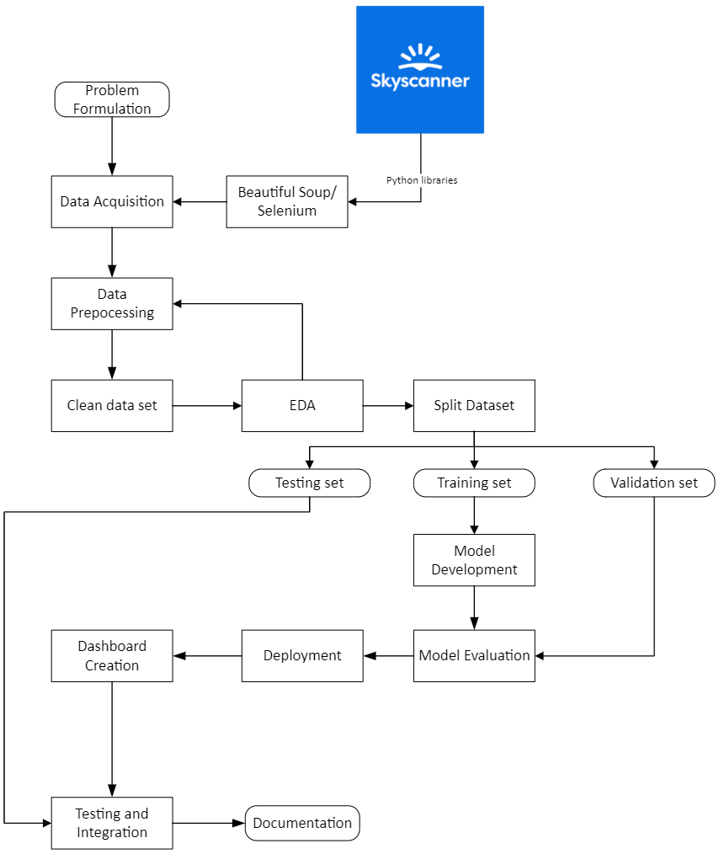

Project Timeline:

